Images
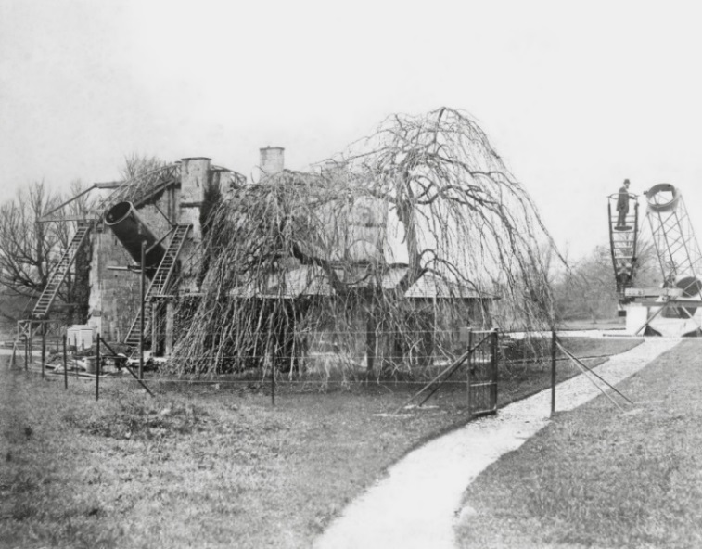

Figure 1: Location of the double thermometer screen near the 72 inch reflector at Birr circa late-19th century.
Source: Science Photo Library.

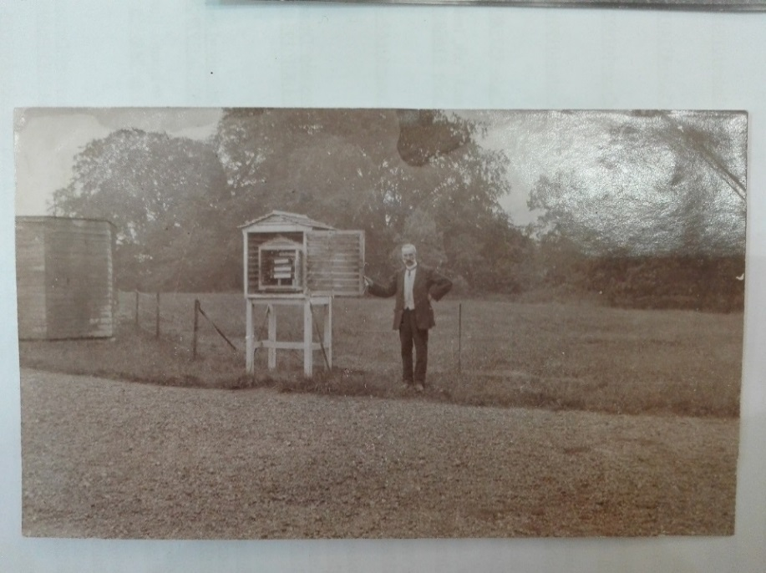

Figure 2: View of the opened double thermometer screen at the Birr Observatory on 29th July 1911.
Source: National Meteorological Archive, Met Office.

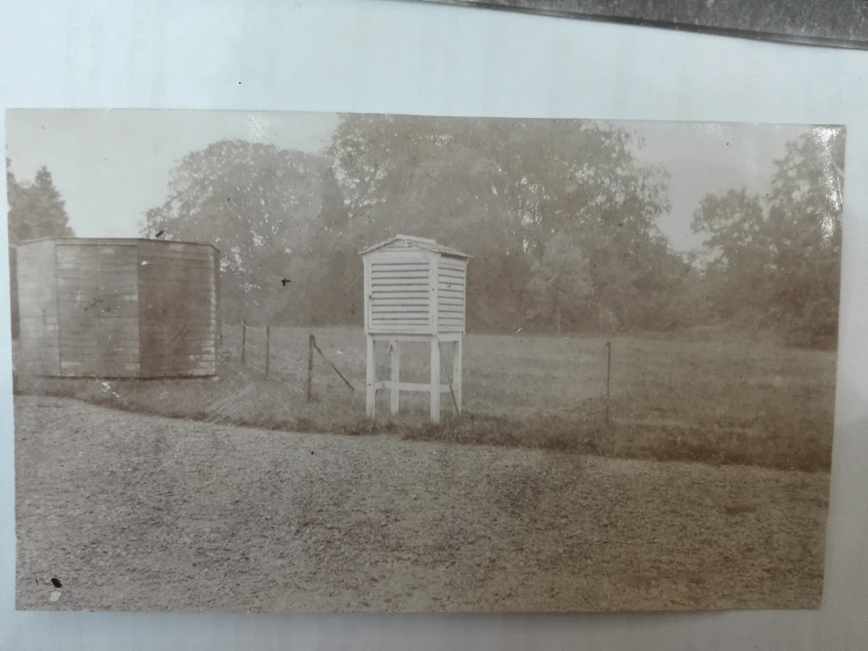

Figure 3: View of the closed double thermometer screen at Birr on 29th July 1911.
Source: National Meteorological Archive, Met Office.

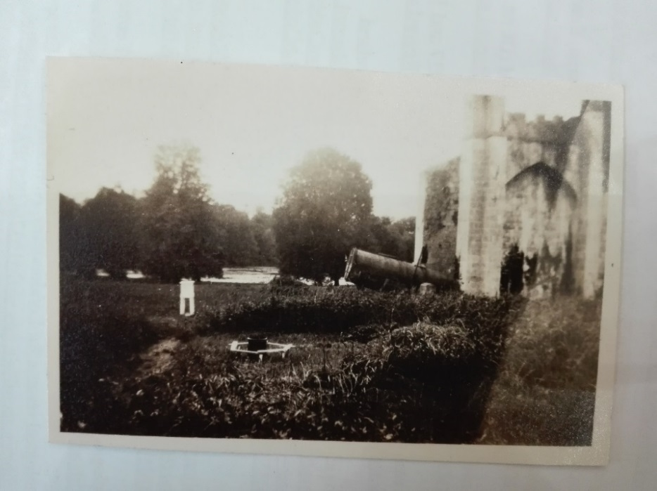

Figure 4: Location of the thermometer screen at Birr Telegraphic Reporting Station circa 1912 looking W.N.W.
Source: National Meteorological Archive, Met Office.

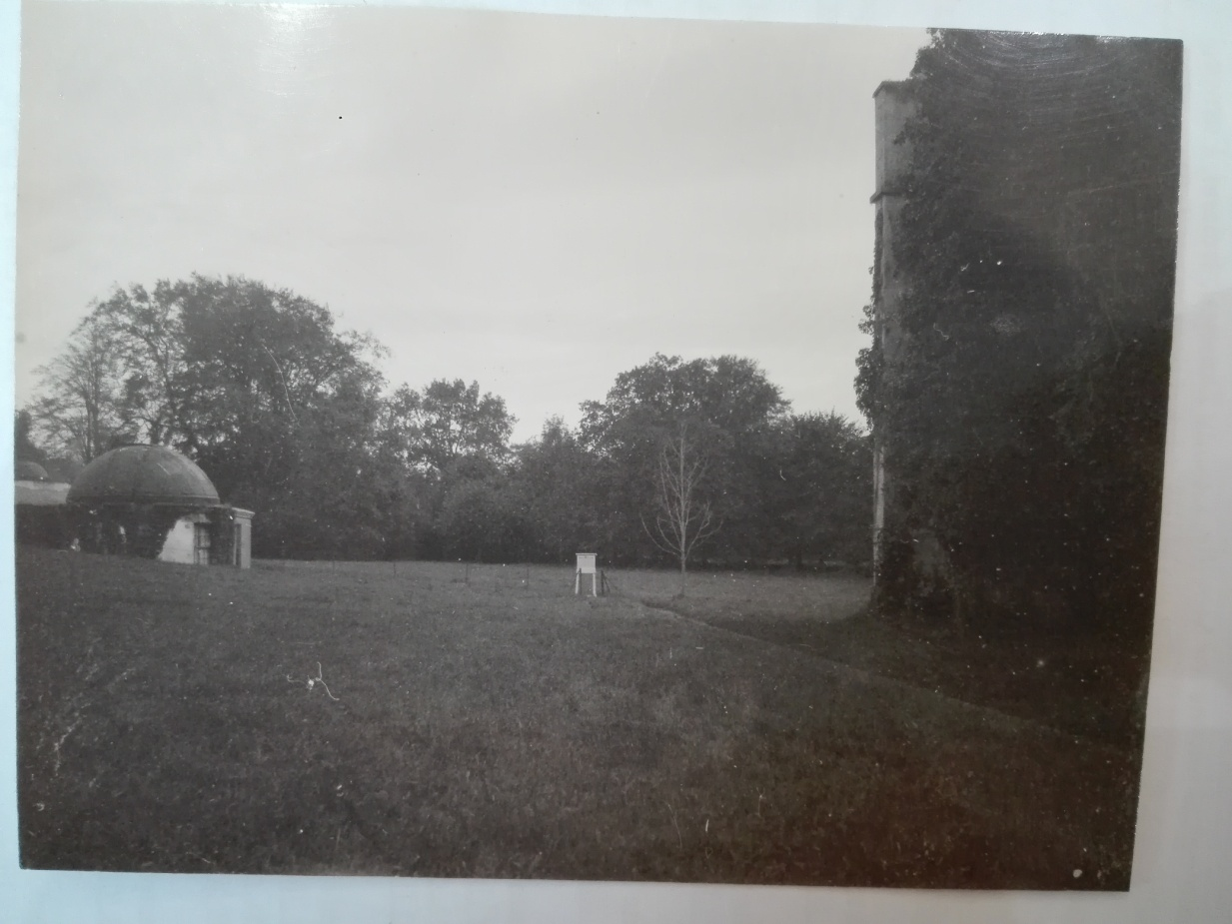

Figure 5: Thermometer screen at Birr Telegraphic Reporting Station in 1925.
Source: National Meteorological Archive, Met Office.

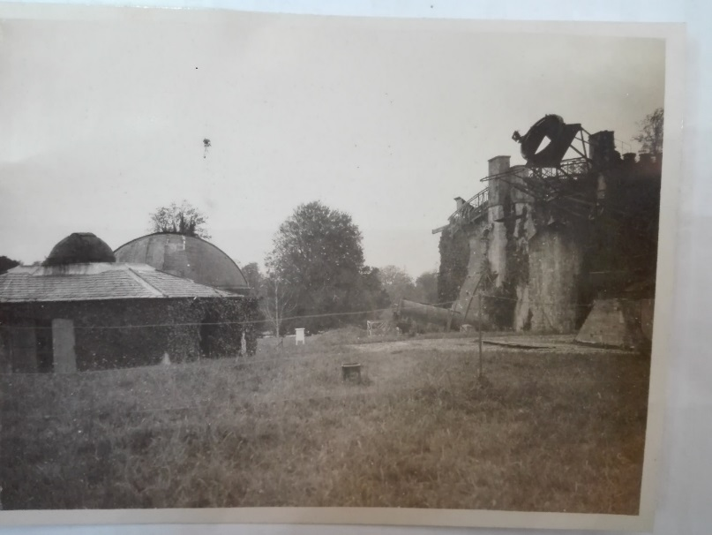

Figure 6: Location of the thermometer screen at Birr Telegraphic Reporting Station in 1925.
Source: National Meteorological Archive, Met Office.

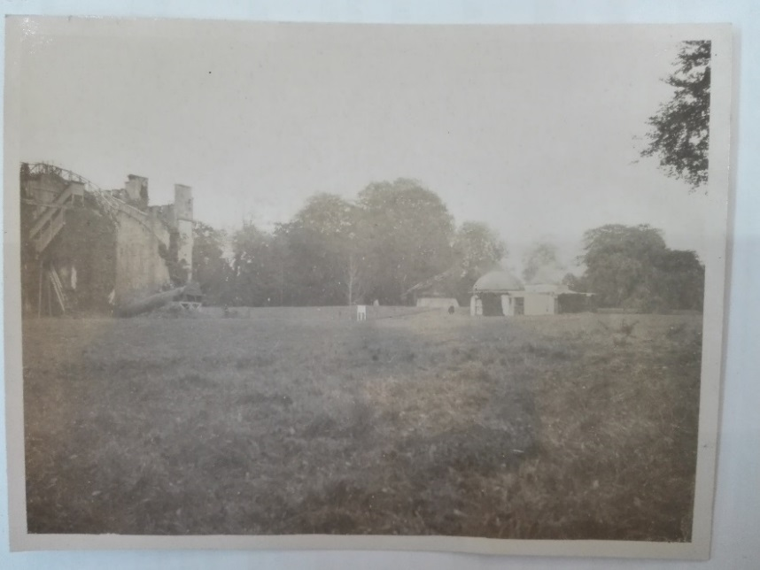

Figure 7: Location of the thermometer screen at Birr Telegraphic Reporting Station in 1925.
Source: National Meteorological Archive, Met Office.

Additional photographs of the thermometer screen at Birr are available at:
http://catalogue.nli.ie/Record/vtls000334393
http://catalogue.nli.ie/Record/vtls000338517
http://catalogue.nli.ie/Record/vtls000560281
(Last accessed on 27/07/2019).

